Sheet1
2008 Toyota Rav4 Sport 2.4
DRIVE AXLES, BEARINGS AND JOINTS COMPONENTS/WHEEL BEARING
Your Vehicle: 2008 Toyota Truck RAV4 2WD L4-2.4L (2AZ-FE)

 | Vehicle » Transmission and Drivetrain » Drive Axles, Bearings and Joints » Wheel Bearing » Service and Repair » Removal

 | Removal

AXLE: REAR AXLE HUB AND BEARING: REMOVAL

REMOVAL

1. REMOVE REAR WHEEL
2. DISCONNECT CABLE FROM NEGATIVE BATTERY TERMINAL CAUTION: Wait at least 90 seconds after disconnecting the cable from the negative (-) battery terminal to prevent airbag and seat belt pretensioner activation.

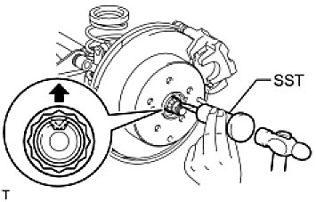

3. REMOVE REAR AXLE SHAFT NUT (for 4WD)

(a) | Using SST and hammer, unstake the staked part of the nut.
SST: 09930-00010
NOTE: Loosen the staked part of the nut completely, otherwise the screw of the drive shaft may be damaged.

(b) | While applying the brake, remove the lock axle hub nut.

4. REMOVE REAR DISC BRAKE CYLINDER ASSEMBLY LH See: Brakes and Traction Control\Disc Brake System\Service and Repair\Rear Brake\Removal
5. REMOVE REAR DISC See: Brakes and Traction Control\Disc Brake System\Service and Repair\Rear Brake\Disassembly
6. REMOVE SKID CONTROL SENSOR WIRE (for 2WD) See: Brakes and Traction Control\Antilock Brakes / Traction Control Systems\Wheel Speed Sensor\Service and Repair\Skid Control Sensor\Removal
7. REMOVE REAR SPEED SENSOR LH (for 4WD)
8. REMOVE REAR SUSPENSION NO. 1 ARM ASSEMBLY LH See: Steering and Suspension\Suspension\Control Arm\Service and Repair\Rear No. 1 Suspension Arm\Removal

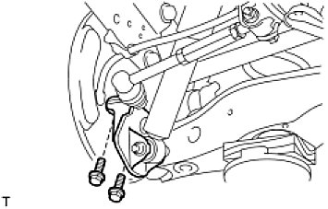

9. DISCONNECT REAR SHOCK ABSORBER ASSEMBLY LH

(a) | Remove the 2 bolts and disconnect the shock absorber with bracket from the axle carrier.

10. REMOVE REAR AXLE HUB AND BEARING ASSEMBLY LH

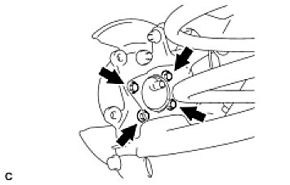

(a) | fro 2WD:
 | -1 | Remove the 4 bolts, and axle hub and the bearing from the axle carrier.
 | NOTE: Do not place the hub and bearing's magnet rotor side so that it is facing downward, and do not allow the magnet rotor side to become damaged or contact foreign matter.
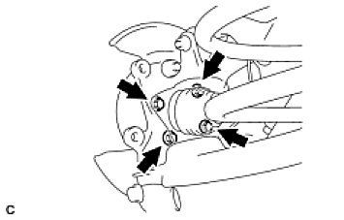

(b) | for 4WD:
 | -1 | Put matchmarks on the drive shaft and the axle hub and bearing.
 | -2 | Remove the 4 bolts, and the axle hub and bearing from the axle carrier.
 | NOTE: Do not place the hub and bearing's magnet rotor side so that it is facing downward, and do not allow the magnet rotor side to become damaged or contact foreign matter.

